Sheet1
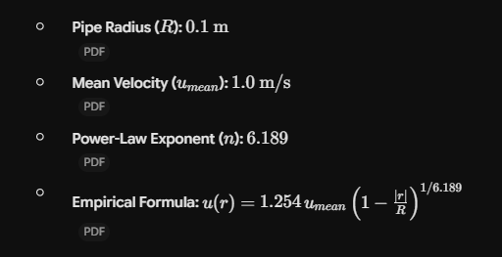
Radial Location (m) | Velocity (m/s)
-0.1 | 0
-0.095 | 0.77266
-0.09 | 0.86422
-0.085 | 0.92273
-0.08 | 0.96663
-0.075 | 1.00211
-0.07 | 1.03207
-0.065 | 1.0581
-0.06 | 1.08117
-0.055 | 1.10194
-0.05 | 1.12086
-0.045 | 1.13826
-0.04 | 1.15437
-0.035 | 1.1694
-0.03 | 1.18348
-0.025 | 1.19675
-0.02 | 1.20929
-0.015 | 1.22119
-0.01 | 1.23252
-0.005 | 1.24334
0 | 1.25368
0.005 | 1.24334
0.01 | 1.23252
0.015 | 1.22119
0.02 | 1.20929
0.025 | 1.19675
0.03 | 1.18348
0.035 | 1.1694
0.04 | 1.15437
0.045 | 1.13826
0.05 | 1.12086
0.055 | 1.10194
0.06 | 1.08117
0.065 | 1.0581
0.07 | 1.03207
0.075 | 1.00211
0.08 | 0.96663
0.085 | 0.92273
0.09 | 0.86422
0.095 | 0.77266
0.1 | 0

